Sheet1
MARK | A | B | C | D | E | F | G | H | I | K | L | M
A | 0 | 2A | 1A | ~ | ~ | 2A | ~ | ~ | ~ | ~ | ~ | ~
C | 0 | MIN(2A, 1A + 3C) = 2A | 1 | 1A + 1C = 2C | 1A + 2C = 3C | MIN(2A, 1A + 3C) = 2A | ~ | ~ | ~ | ~ | ~ | ~
B | 0 | 2 | 1 | MIN(2C, 2A + 3B) = 2C | MIN(3C, 2A + 4B) = 3C | 2A | ~ | ~ | ~ | ~ | 2A + 5B = 7B | ~
D | 0 | 2 | 1 | 2 | MIN(3C, 2C +2D) = 3C | 2A | ~ | 2C + 7D = 9D | 2C + 8D = 10D | ~ | 7B | ~
F | 0 | 2 | 1 | 2 | MIN(3C, 2A + 1F) = 3C | 2 | 2A + 4F = 6F | 9D | 10D | ~ | 7B | ~
E | 0 | 2 | 1 | 2 | 3 | 2 | 6F | 9D | MIN(10D, 3C + 7E) = 10D | ~ | 7B | ~
G | 0 | 2 | 1 | 2 | 3 | 2 | 6 | 9D | MIN(10D, 6F + 7G) = 10D | ~ | 7B | ~
L | 0 | 2 | 1 | 2 | 3 | 2 | 6 | MIN(9D, 7B + 1L) = 8L | 10D | ~ | 7 | 7B + 4L = 11L
H | 0 | 2 | 1 | 2 | 3 | 2 | 6 | 8 | 10D | 8L + 2H = 10H | 7 | MIN(11L, 8L + 2H) = 10H
I | 0 | 2 | 1 | 2 | 3 | 2 | 6 | 8 | 10 | MIN(10H, 10D + 2I) = 10H | 7 | 10H
K | 0 | 2 | 1 | 2 | 3 | 2 | 6 | 8 | 10 | 10 | 7 | 10H
 | 0 | 2 | 1 | 2 | 3 | 2 | 6 | 8 | 10 | 10 | 7 | 10

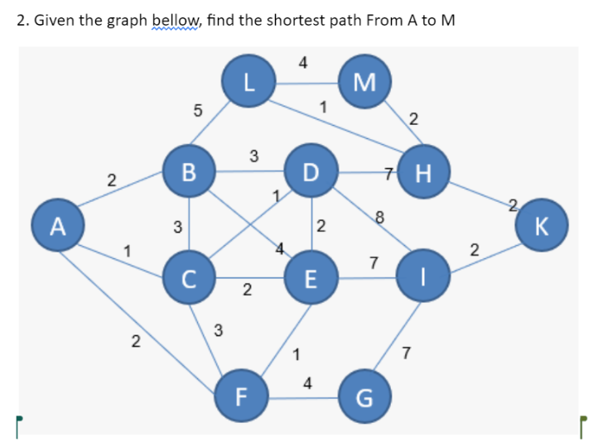
RESULT : | M - H - L - B - A | = | A - B - L - H - M | 10

